Metal Parts
Estimating Manufacturing Time at Machine Shop

Please enter quantity of parts in the yellow cells

SIZE CATEGORIES
Small: 0-6"
Medium: 6-18"
Large: 18-36"
Extra Large: 36"+

Allow (1) Minute/inch for Welding
Allow (5) Minutes/hole for Mill or Drill Press

Total estimated maufacturing time is: |  |  |  | 0.0

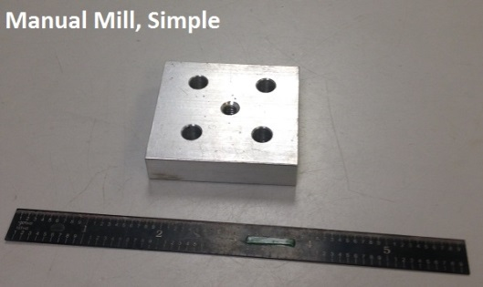
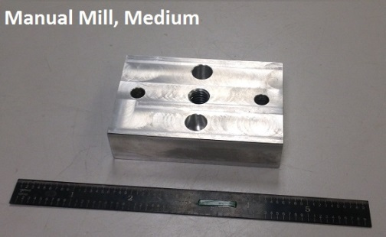
MANUAL MILL |  |  |  |  |  |  |  |  |  |  |  |  |  | Manual Mill Time
 |  |  |  |  |  | Subtotal: | 0 |  |  |  |  |  |  |  |  | Aluminum/Bronze Size |  |  |  |  | Steel Size
 |  |  |  |  |  |  |  |  |  |  |  |  |  |  |  | small | medium | large | XL |  | Time | small | medium | large | XL
Subtotal: | 0 |  |  |  |  |  |  | Subtotal: | 0 |  |  |  |  | Shape | simple | 0.5 | 0.75 | 1 | 1.5 | Shape | simple | 0.75 | 1 | 1.5 | 1.75
Aluminum/Bronze |  | Size |  |  |  |  |  | Steel |  | Size |  |  |  |  | average | 0.75 | 1 | 1.5 | 1.75 |  | average | 1 | 1.5 | 1.75 | 2.25
 |  | Small | Medium | Large | XL |  |  |  |  | Small | Medium | Large | XL |  | complex | 1.25 | 1.5 | 1.75 | 2.25 |  | complex | 1.5 | 1.75 | 2 | 2.5
Part Shape | Simple |  |  |  |  |  |  | Part Shape | Simple
 | Medium |  |  |  |  |  |  |  | Medium
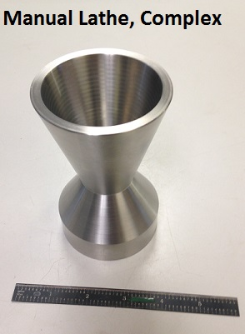
 | Complex |  |  |  |  |  |  |  | Complex

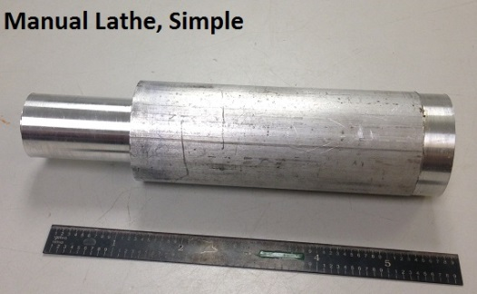
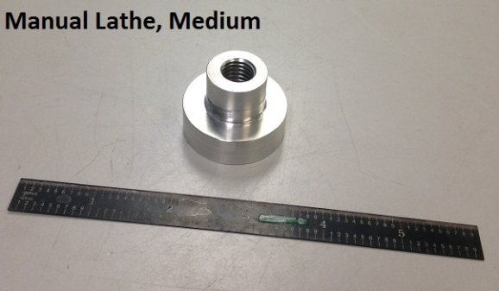
MANUAL LATHE |  |  |  |  |  |  |  |  |  |  |  |  |  | Maual Lathe
 |  |  |  |  |  | Subtotal: | 0 |  |  |  |  |  |  |  |  | Aluminum/Bronze Size |  |  |  |  |  | Steel Size
 |  |  |  |  |  |  |  |  |  |  |  |  |  |  |  | small | medium | large | XL |  |  | small | medium | large | XL
Subtotal: | 0 |  |  |  |  |  |  | Subtotal: | 0 |  |  |  |  | Shape | simple | 0.5 | 0.75 | 1 | 1.5 | Shape | simple | 0.75 | 1.25 | 1.25 | 1.75
Aluminum/Bronze |  | Size |  |  |  |  |  | Steel |  | Size |  |  |  |  | average | 0.75 | 1 | 1.5 | 2 |  | average | 1 | 1.5 | 1.5 | 1.5
 |  | Small | Medium | Large | XL |  |  |  |  | Small | Medium | Large | XL |  | complex | 1 | 1.25 | 1.75 | 2.25 |  | complex | 1.25 | 1.75 | 2 | 2.75
Part Shape | Simple |  |  |  |  |  |  | Part Shape | Simple
 | Medium |  |  |  |  |  |  |  | Medium
 | Complex |  |  |  |  |  |  |  | Complex

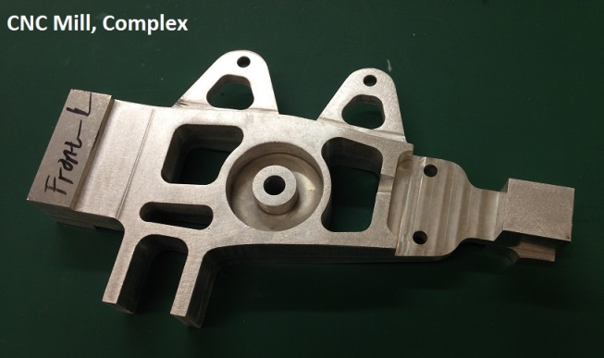
CNC Mill |  |  |  |  |  |  |  |  |  |  |  |  |  | CNC Mill Time
 |  |  |  |  |  | Subtotal: | 0 |  |  |  |  |  |  |  |  | Aluminum/Bronze Size |  |  |  |  |  | Steel Size
 |  |  |  |  |  |  |  |  |  |  |  |  |  |  |  | small | medium | large | XL |  |  | small | medium | large | XL
Subtotal: | 0 |  |  |  |  |  |  | Subtotal: | 0 |  |  |  |  | Shape | simple | 2.5 | 3 | 4 | 4.5 | Shape | simple | 3.5 | 4.5 | 5 | 6
Aluminum/Bronze |  | Size |  |  |  |  |  | Steel |  | Size |  |  |  |  | average | 3 | 3.5 | 4.5 | 5 |  | average | 4 | 5 | 5.5 | 6.5
 |  | Small | Medium | Large | XL |  |  |  |  | Small | Medium | Large | XL |  | complex | 4 | 4.5 | 5.5 | 6 |  | complex | 4.5 | 6 | 6.5 | 7.5
Part Shape | Simple |  |  |  |  |  |  | Part Shape | Simple
 | Medium |  |  |  |  |  |  |  | Medium
 | Complex |  |  |  |  |  |  |  | Complex

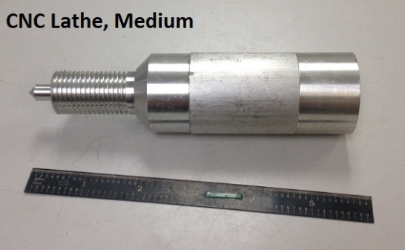
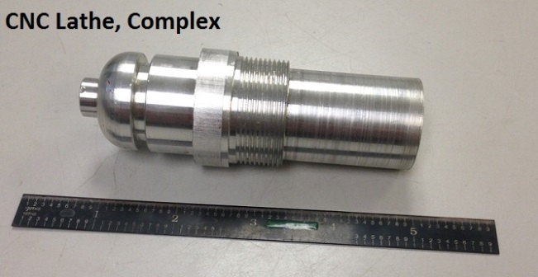
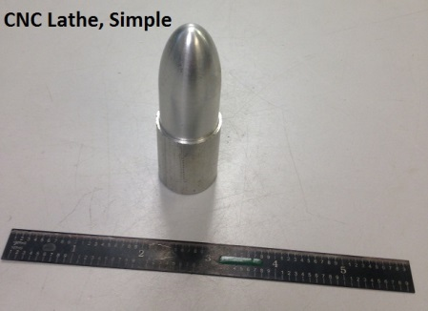
CNC Lathe |  |  |  |  |  |  |  |  |  |  |  |  |  | CNC Lathe Time
 |  |  |  |  |  | Subtotal: | 0 |  |  |  |  |  |  |  |  | Aluminum/Bronze Size |  |  |  |  |  | Steel Size
 |  |  |  |  |  |  |  |  |  |  |  |  |  |  |  | small | medium | large | XL |  |  | small | medium | large | XL
Subtotal: | 0 |  |  |  |  |  |  | Subtotal: | 0 |  |  |  |  | Shape | simple | 2.5 | 3 | 4 | 4.5 | Shape | simple | 3.5 | 4.5 | 5 | 6
Aluminum/Bronze |  | Size |  |  |  |  |  | Steel |  | Size |  |  |  |  | average | 3 | 3.5 | 4.5 | 5 |  | average | 4 | 5 | 5.5 | 6.5
 |  | Small | Medium | Large | XL |  |  |  |  | Small | Medium | Large | XL |  | complex | 4 | 4.5 | 5.5 | 6 |  | complex | 4.5 | 6 | 6.5 | 7.5
Part Shape | Simple |  |  |  |  |  |  | Part Shape | Simple
 | Medium |  |  |  |  |  |  |  | Medium
 | Complex |  |  |  |  |  |  |  | Complex
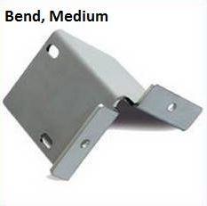
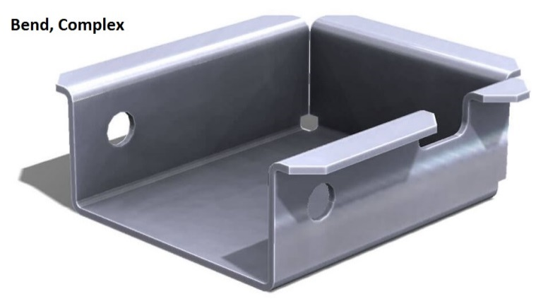
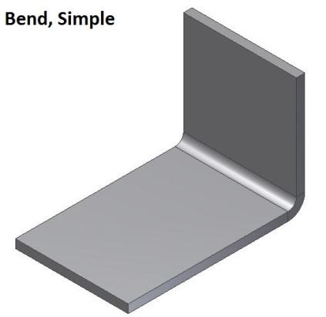
Forming |  |  |  |  |  |  |  |  |  |  |  |  |  | Forged
 |  |  |  |  |  | Subtotal: | 0.0 |  |  |  |  |  |  |  |  | Aluminum/Bronze Size |  |  |  |  |  | Steel Size
 |  |  |  |  |  |  |  |  |  |  |  |  |  |  |  | small | medium | large | XL |  |  | small | medium | large | XL
Subtotal: | 0.0 |  |  |  |  |  |  | Subtotal: | 0.0 |  |  |  |  | Shape | simple | 0.16666666667 | 0.25 | 0.33333 | 0.5 | Shape | simple | 0.25 | 0.33333 | 0.5 | 1
Aluminum/Bronze |  | Size |  |  |  |  |  | Steel |  | Size |  |  |  |  | average | 0.33333333333 | 0.5 | 0.666667 | 1 |  | average | 0.5 | 0.66667 | 1 | 1.5
 |  | Small | Medium | Large | XL |  |  |  |  | Small | Medium | Large | XL |  | complex | 0.5 | 0.75 | 1 | 1.25 |  | complex | 0.75 | 1 | 1.25 | 2
Part Shape | Simple |  |  |  |  |  |  | Part Shape | Simple
 | Medium |  |  |  |  |  |  |  | Medium
 | Complex |  |  |  |  |  |  |  | Complex

